Sheet1
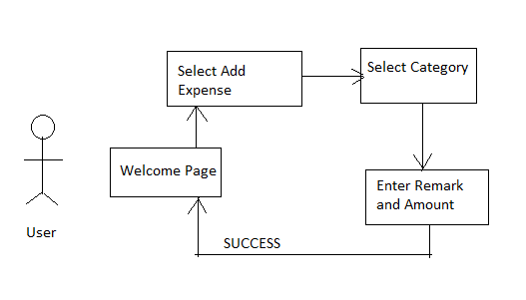
PEM - Personal Expense Manager

Flow Diagram for User Login and Register
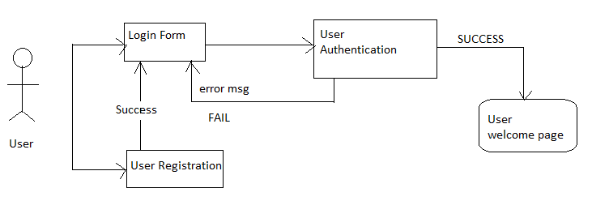

Flow Diagram for Add Expense:

